Introduction
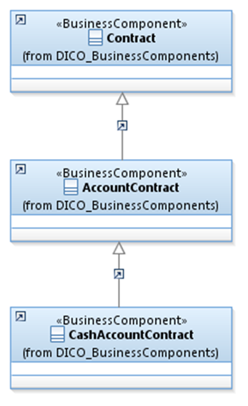
 | Introduction

This document describes the Business Model Components and Elements used by the Collateral Reporting message definition used in the context of Target 2 Securities (T2S).

In the “Business Model” tab, the cells with text in green indicate the business concepts used by the Collateral Reporting message.

The “Traces” tab shows to which business concepts the Collateral Reporting message components and message elements trace.

CollateralReporting
